What is Ternary Contour Plot
WHAT IS TERNARY SCATTER PLOT | REFERENCE

❶A ternary plot depicts the ratios of three variables as positions in an equilateral triangle. In Which at Any Intersetion of These 3 Variable in Equilateral Triangle Exhibit Proportion of Each & Every Variable 's Composition against Other. So Here Scaling either 0 to 1 or 0% to 100% . Ex Proportion or Compostion in Three Variable (Sand , Silt , Clay) ~ (20% ,50%,30%) | ⇰REFERENCE (Website) --> Plotly Regarding Thereotical & Practical Implementation (Coding) of Ternary Plot

 | ⇰REFERENCE (Website)-->Ambisense Regarding Tenary Plot ( Thereotical & Practical Coding of Ternary Plot)
❷Basically in Simple Word A ternary plot is a triangular plot of three variables which must sum to a constant value,In most cases the ratios of the three variables are plotted as points on an equilateral triangle.

❸In Simple Words According to Medium & Geeks for Geeks They’re a two-dimensional representation where all the three variables are encoded by their positions to three connected axes, in the shape of a triangle. | ⇰REFERENCE (Website)-->Medium Regarding Basics of & Practical Implementation (Coding) Ternary plots with Python’s Plotly

❹According to Geeks for Geeks ternary plot is also known as a ternary graph, triangle plot, simplex plot which is a barycentric plot on three variables which sum to a constant. It graphically depicts the ratios of the three variables as positions in an equilateral triangle. It can be created using two-class i.e. express class and graph_objects class.
 | ⇰REFERENCE (Website)-->Geeks for Geeks Regarding Thereotical & Practical Implementation (Coding) of Ternary Plot

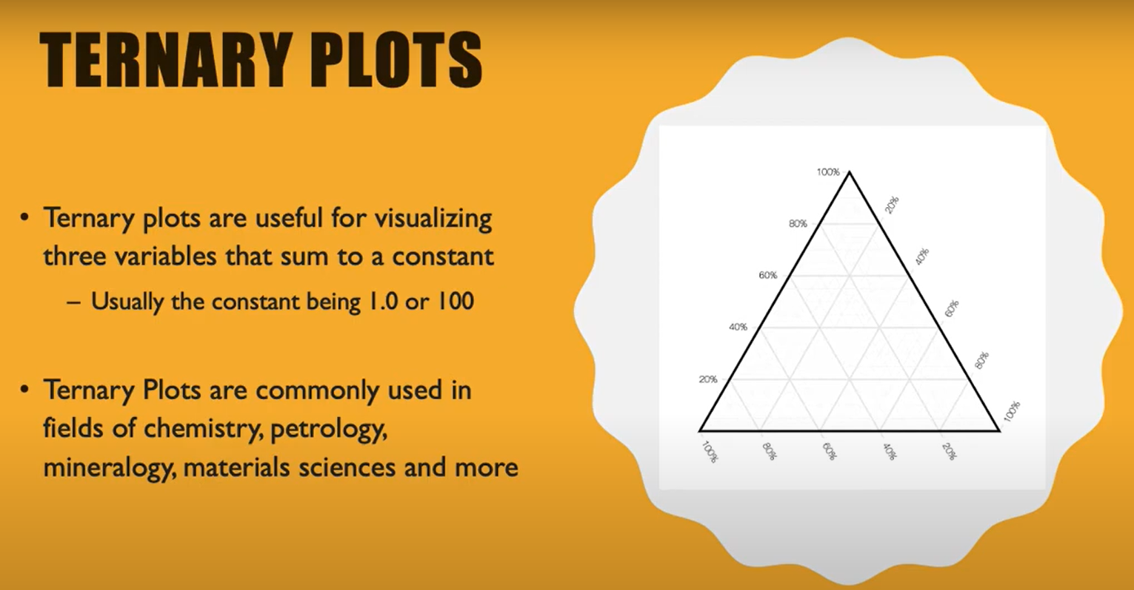

 | ⇰REFERENCE (You Tube) -->Learn Ternary Plots! Regarding Practical Implementation of How to Read & Understand Ternary Plot in Plotly

 | REFERENCE (Excel Sheet) -->2.4 (Excel File) Plotly (Intermediate) Ternary Scatter Plot Regarding Thereotical & Practical Implementation (Coding) of Ternary Scatter Plot

WHAT IS TERNARY CONTOUR PLOT ?

TERMINOLOGY REQUIRED FOR UNDERSTANDING TERNARY CONTOUR PLOT
⇰Isovalue lines ❶In microeconomics, isovalue lines define a relationship between the production of two products[clarification needed] in which the total market value is constant. ❷For example: In a market that produces bread and wine, the market is willing to trade one bottle of wine for three breads. | ⇰REFERENCE (Website)-->Wikipedia Regarding Thereotical & Practical Implementation of Isovalue Lines

 | ⇰REFERENCE (Website)--> Plotly Regarding Total No of Available Plots in Plotly
THEREOTICAL DEF OF TERNARY CONTOUR PLOT

❶A ternary contour plots represents isovalue lines of a quantity defined inside a ternary diagram, i.e. as a function of three variables which sum is constant. Coordinates of the ternary plot often correspond to concentrations of three species, and the quantity represented as contours is some property (e.g., physical, chemical, thermodynamical) varying with the composition. | ⇰REFERENCE (Website)-->Plotly Regarding Ternary contours Plot in (Plotly) Python

❷For ternary contour plots, use the figure factory called create_ternary_contour. The figure factory interpolates between given data points in order to compute the contours Basically in Other Word We need to Import Plotly Figure Factory Module | ⇰REFERENCE (Excel Sheet)-->2.4 Plotly Intermediate (Ternary Scatter Plot) Regarding Practical Conceptual Knowldege of Ternary Contour Plot

 | ⇰REFERENCE (Website)-->Plotly Regarding All & Various Hyper Parameters for Ternary Scatter Plot
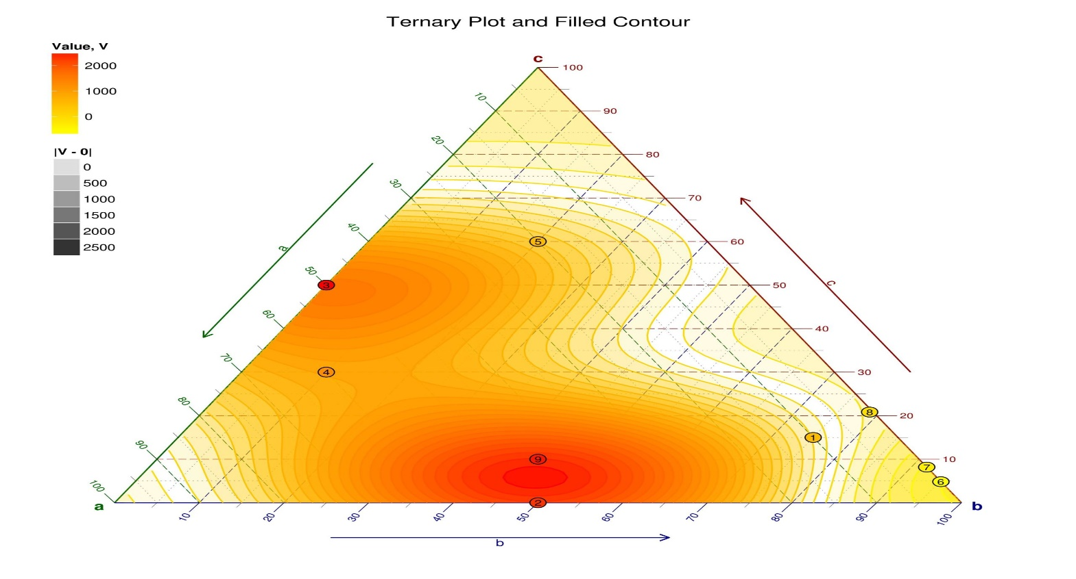

 | ⇰REFERENCE (Website)-->DataViz Project Regarding Overall Details & Visualization & Custom Design of Ternary Contour Plot

 | ⇰REFERENCE (Website)--> Plotly Regarding Various Hyper Parameter 's Working & Practical Coding Knowldege Regarding Ternary Contour Plot

 | ⇰REFERENCE (Website)-->Geeks For Geeks Regarding Thereotical & Practical Implementation (Coding) of Ternary Contour Plot

Hyper Param Of Ternary Contour
TERNARY CONTOUR PLOT

HYPER PARAMETER OF TERNARY CONTOUR PLOT |  | REFERENCE

 |  | ⇰REFERENCE (Website)--> Plotly Regarding Various Hyper Parameter 's Working & Practical Coding Knowldege Regarding Ternary Contour Plot

①HYPER PARAMETERS FOR PLOTLY TERNARY CONTOUR PLOT WITH ALL BASIC HYPER PARAMETERS TUNING

 |  | ⇰REFERENCE (Website)--> Plotly Regarding Parameter (Coordinates) , Thereotical & Practical Knowldege of Barycentric Coordinates
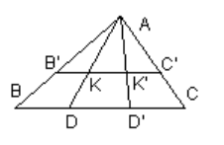  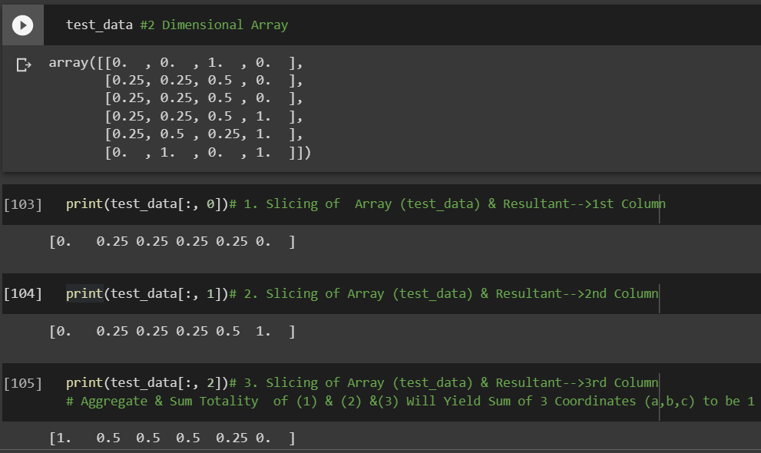 ⇰barycentric coordinates (list or ndarray) ❶Barycentric coordinates of shape (2, N) or (3, N) where N is the number of data points. The sum of the 3 coordinates is expected to be 1 for all data points.The barycentric coordinates are defined uniquely for every point inside the triangle. (Barycentric coordinates that satisfy (*) are known as areal coordinates because, assuming the area of ΔABC is 1, the weights w are equal to the areas of triangles KBC, KAC, and KAB.) Since the center of gravity of any two points lies on the connecting segment, wA = 0 for points on BC, wB = 0 for points on AC, and wC = 0 on AB. Vertices A,B,C have coordinates (1,0,0), (0,1,0), and (0,0,1), respectively.

 |  | ⇰REFERENCE (Website)-->Cut the Knot Regarding Thereotical Knowledge & Undestanding for Barycentric Coordinates

 |  | ⇰REFERENCE (Website)-->Google Colab 1.2 Plotly (Intermediate) Regarding Practical Implementation (Coding) & Exhibition of (Slicing & Aggregation)

 |  | ⇰REFERENCE (Website)--> Plotly Regarding Total No of Available Plots in Plotly

 |  | ⇰REFERENCE (Website)-->Medium Regarding Basics of & Practical Implementation (Coding) Ternary plots with Python’s Plotly

 |  | ⇰REFERENCE (Website)-->Geeks for Geeks Regarding Thereotical & Practical Implementation (Coding) of Ternary Plot

 |  | ⇰REFERENCE (You Tube) -->Learn Ternary Plots! Regarding Practical Implementation of How to Read & Understand Ternary Plot in Plotly

 |  | ⇰REFERENCE (Website)-->Maths Exchange.com Regarding (Distance between two barycentric coordinates) & Practical Solution for Barycentric Coordinates

 |  | ⇰REFERENCE (Website)--> Plotly Regarding Total No of Available Plots in Plotly

⇰pole_labels (str, default ['a', 'b', 'c']) ❶Names of the three poles of the triangle. |  | ⇰REFERENCE (Website)--> Plotly Regarding Various Hyper Parameter 's Working & Practical Coding Knowldege Regarding Ternary Contour Plot

 |  | ⇰REFERENCE (Website)-->Cut the Knot Regarding Thereotical Knowledge & Undestanding for Barycentric Coordinates

 |  | ⇰REFERENCE (Website)-->Cut the Knot Regarding Thereotical Knowledge & Undestanding for Barycentric Coordinates

 |  | ⇰REFERENCE (Website)-->Maths Exchange.com Regarding (Distance between two barycentric coordinates) & Practical Solution for Barycentric Coordinates

⇰values (array-like) ❶Data points of field to be represented as contours. |  | ⇰REFERENCE (Website)-->Google Colab 1.2 Plotly (Intermediate) Regarding Practical Implementation (Coding) & Exhibition of (Slicing & Aggregation)

 |  | ⇰REFERENCE (Website)--> Plotly Regarding Various Hyper Parameter 's Working & Practical Coding Knowldege Regarding Ternary Contour Plot

➡1st PRACTICAL EXAMPLE WITH BASIC PARAMETER

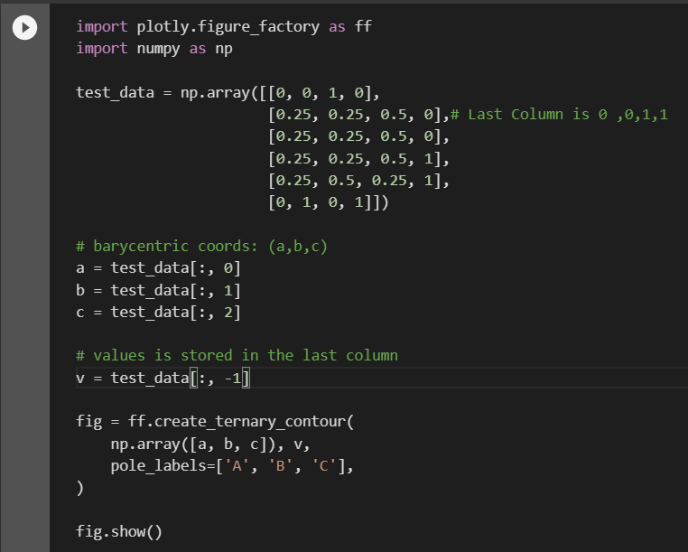 |  | ⇰REFERENCE (Website)--> Plotly Regarding Total No of Available Plots in Plotly

 |  | ⇰REFERENCE (Website)-->Google Colab 1.2 Plotly (Intermediate) Regarding Practical Implementation (Coding) & Exhibition of (Slicing & Aggregation)

 |  | ⇰REFERENCE (Website)--> Plotly Regarding Various Hyper Parameter 's Working & Practical Coding Knowldege Regarding Ternary Contour Plot

 |  | ⇰REFERENCE (Website)--> Plotly Regarding Total No of Available Plots in Plotly

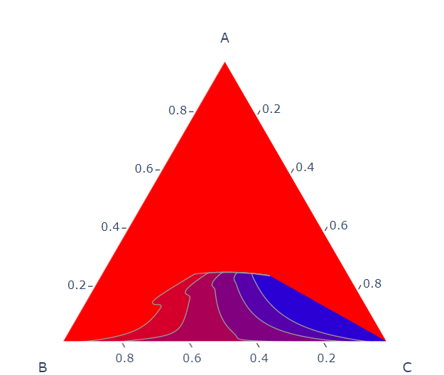 |  | ⇰REFERENCE (Website)-->Google Colab 1.2 Plotly (Intermediate) Regarding Practical Implementation (Coding) & Exhibition of (Slicing & Aggregation)

②HYPER PARAMETERS FOR PLOTLY TERNARY PLOT WITH HYPER PARAMETERS FOR ,COLOR & PARAMETERS OF LAYOUT ,OPACITY,SIZING OF PLOT AS WELL AS TITLE

⇰ncontours (int or None) ❶Number of contours to display (determined automatically if None) Basically Contour Means the shape of the outer surface of something In This Example We can see (ncontours =20 ) In other word it means 20 Set of Waves in Ternary Contour Plot |  | ⇰REFERENCE (Website)--> Plotly Regarding Various Hyper Parameter 's Working & Practical Coding Knowldege Regarding Ternary Contour Plot

⇰title (str) – The figure title.
⇰width (int (default None)) ❶The figure width in pixels. (Basically By Default Length * Breath ) By 800*600

⇰height (int (default None)) ❶The figure height in pixels. (Basically By Default Length * Breath) By 800*600
 |  | ⇰REFERENCE (Website)--> Plotly Regarding Parameter (Coordinates) , Thereotical & Practical Knowldege of Barycentric Coordinates
⇰color (str or int or Series or array-like) ❶Either a name of a column in data_frame, or a pandas Series or array_like object. Values from this column or array_like are used to assign color to marks.

⇰colorscale ❶Represent a mapping between the range 0 to 1 and some color domain within which colors are to be interpolated.Plotly Express will use the color scale from the active template's layout.colorscales.sequential attribute, and the default active template is plotly which uses the Plasma color scale. You can choose any of the built-in color scales, however, or define your own. Basically in This Case We have Used Colorscale=Green in 1st Example & Used Colorscale=Red in 2nd Example. |  | ⇰REFERENCE (Website)--> Plotly Regarding Total No of Available Plots in Plotly

 |  | ⇰REFERENCE (Website)-->Plotly Regarding Overall Hyper Parameter Thereotical & Practical Coding Imlementation in Plotly

⇰coloring (None or 'lines') ❶How to display contour. Filled contours if None, lines if lines. If it is None Then it Will be Like in Wave Pattern Or If it is in coloring = lines then it will be in Lines format .Basically We Have Used (Coloring =None) in 1st Example That's why it is Exhibiting Wave Pattern Structure & In 2nd Example We have used (coloring ='lines') That's why they are forming Lines type structure.

 |  | ⇰REFERENCE (Website)-->Cut the Knot Regarding Thereotical Knowledge & Undestanding for Barycentric Coordinates

⇰showscale (bool, default False) ❶If True, a colorbar showing the color scale is displayed. Basically In 1st Example We Have used (showscale='False') & That's why on Right Side Their is No Color Scale & In 2nd Example We have used (showscale ='True') & That's why on Right Side Thier is Color Scale

 |  | ⇰REFERENCE (Website)-->Maths Exchange.com Regarding (Distance between two barycentric coordinates) & Practical Solution for Barycentric Coordinates

⇰linecolor (None or rgb color) ❶Color used for lines. colorscale has to be set to None, otherwise line colors are determined from colorscale.

⇰interp_mode ('ilr' (default) or 'cartesian') ❶Defines how data are interpolated to compute contours. If ‘irl’, ILR (Isometric Log-Ratio) of compositional data is performed. If ‘cartesian’, contours are determined in Cartesian space. ❷Basically In 1st Example inter_mode='ilr' & In 2nd Example interp_mode ='cartesian'
 |  | ⇰REFERENCE (Website)-->Stack Exchange Regarding How to perform isometric log-ratio transformation

⇰showmarkers (bool, default False) ❶If True, markers (Bullet Dot) corresponding to input compositional points are superimposed on contours, using the same colorscale.Basically in 1st Example We can see There is No Bullet Dots Imposed on Plot On Given Compositional Points While In 2nd Example We can see There is Bullet Points Imposed on Plot on Given Compositional Points. |  | ⇰REFERENCE (Website)-->Semantic Scholar Regarding The Isometric Log-Ratio Transform for Probabilistic Multi-Label Anatomical Shape Representation

1st Example | 2nd Example | ⇰REFERENCE (Website)-->(Google Colab) 1.2 Plotly Intermediate (1st Example) Regarding Practical Theoretical & Practical Implementation (Coding) of Ternary Contour Plot

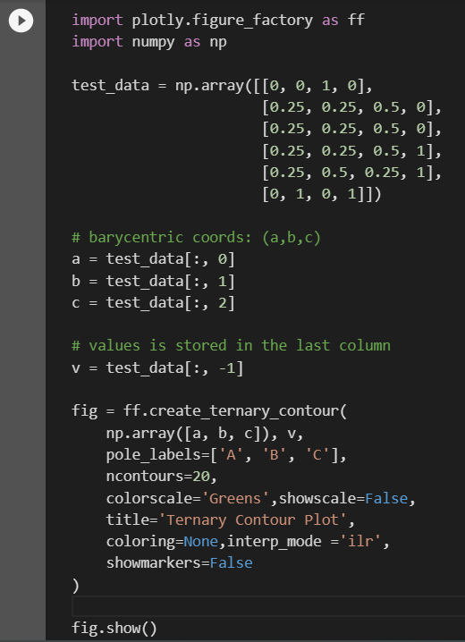
 | 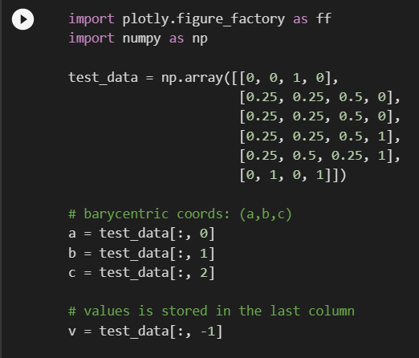

 |  | ⇰REFERENCE (Website)-->(Google Colab) 1.2 Plotly Intermediate (2nd Example) Regarding Practical Theoretical & Practical Implementation (Coding) of Ternary Contour Plot

 | 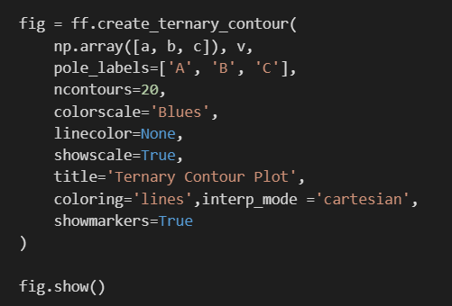

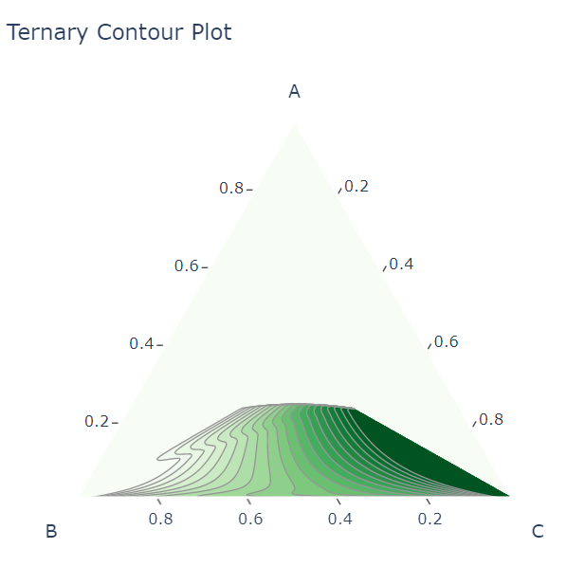

 | 